TO_CHECK
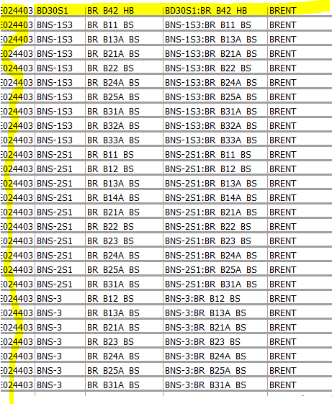

1 | TO ASSIGN SHELL ID
 | WELLBORES 003/4A-BS%

2 | CHECK THE RECORDS NOT UPDATED

 | SELECT A.WELLBORE_NAME, A.WELLBORE_IDENTIFIER, B.COMPLETION_NAME, C.MONTH_YEAR, C.AMOUNT_TYPE, C.OIL_VOLUME, C.GAS_VOLUME, C.WATER_VOLUME
 | FROM WELLBORE A, COMPLETION B, MONTH_VOLUME C
 | WHERE A.ID_WELLBORE=B.ID_WELLBORE
 | AND B.ID_COMPLETION=C.ID_COMPLETION
 | AND C.DATA_SRC='SHUK' AND C.MOD_USER<>'AIONESC'
 | ORDER BY 1;

